lamp
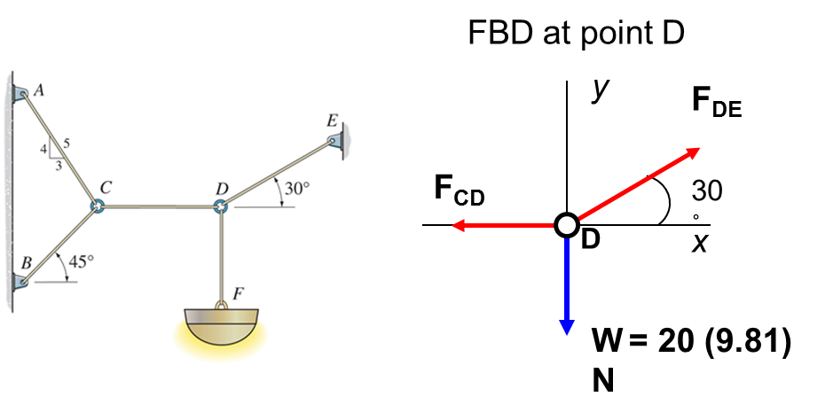
3-29
FDEx=FDCx
FDFy=FDEy
mass= | 20 | kg
θ= | 30 | deg
g= | 9.81 | m/s
FDFy= | 196.2 | N
FDEy= | 196.2 | N
FDEx= |  | N

FDE= | 392 | N
FCD= | 340 | N

FACy=FBCy
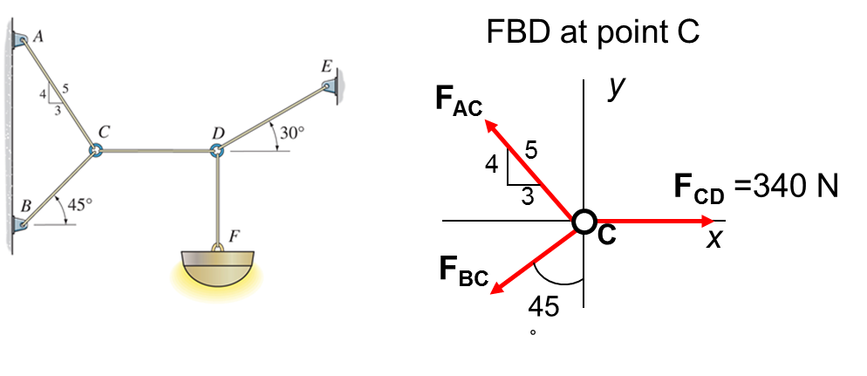
mass= | 20 | kg
θ= | 45 | deg | 0.707
FACy= | 0.8
FACx= | 0.6
FCD= | 340 | N

FBC= | 275 | N
FAC= | 243 | N

600N load
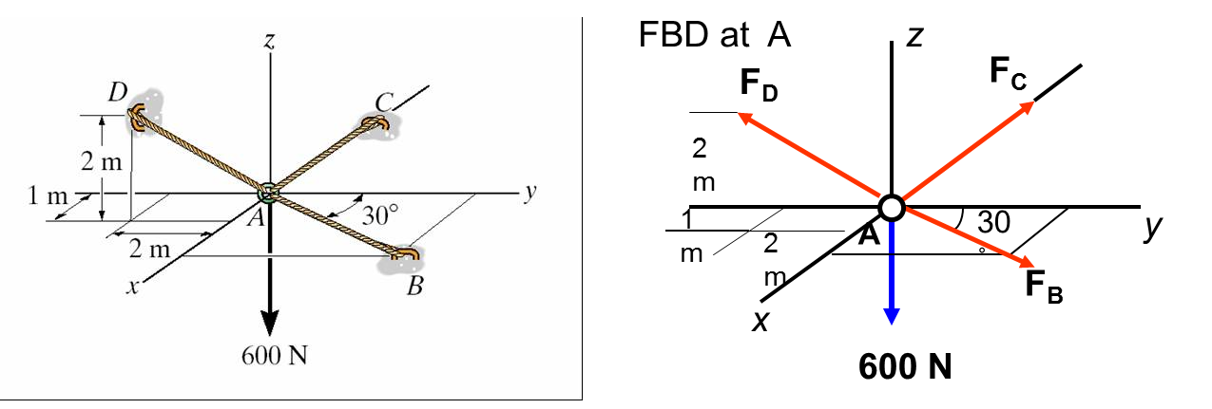
F3-9
F= | 600 | N
θ= | 30 | deg
sinθ= | 0.5
cosθ= | 0.866
 | i | j | k

AB= | 693 | N
AC= | 646 | N
AD= | 900 | N

